CHEMICAL
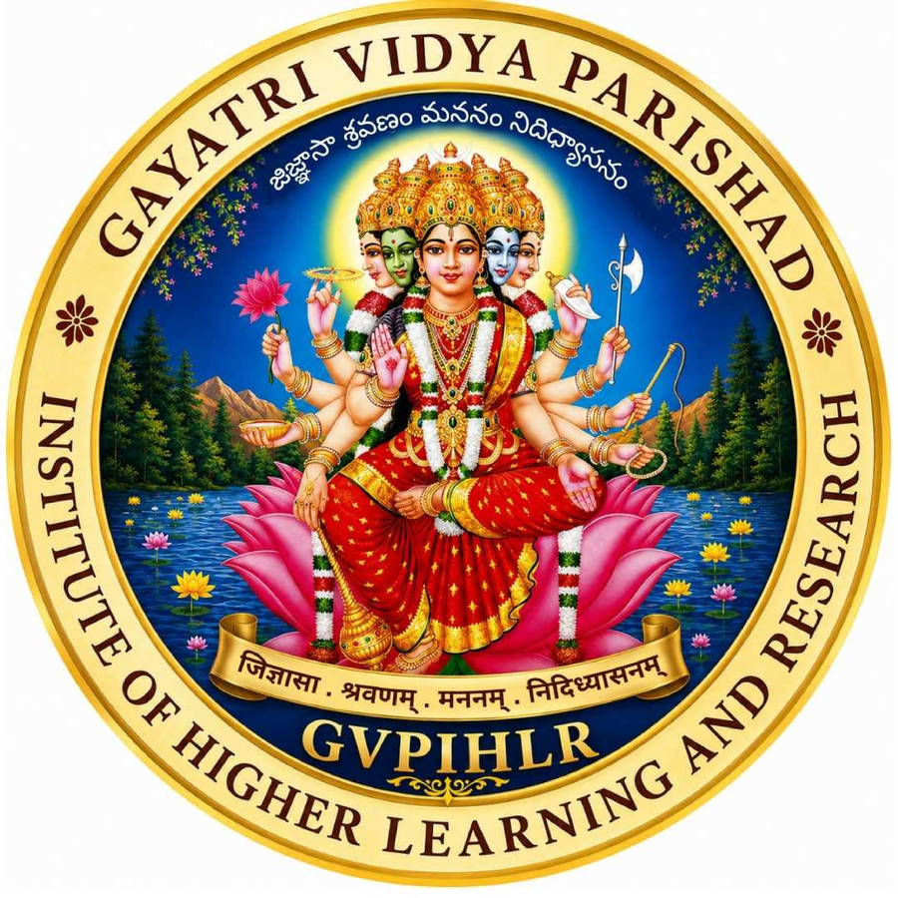
GAYATRI VIDYA PARISHAD INSTITUTE OF HIGHER LEARNING AND RESEARCH
(Deemed to be University under Distinct Categeory under Section 3 of the UGC Act, 1956)
Kommadi, Madhurawada, Visakhapatnam - 530 048, Andhra Pradesh
TIME TABLE FOR THE ACADEMIC YEAR 2026-27, B.Tech. 1st Sem

Day | Branch | 09:00-10:00 | 10:00-11:00 | 11:00-11:15 | 11:15-12:15 | 12:15-01:15 | 01:15-02:15 | 02:15-03:15 | 03:15-04:15
MON | CHEMICAL | PCE LAB Dr. SP, Dr. KVNL, Dr. MRR CHEM. LAB-1 |  | BREAK | PSUC DMVP E-311 | AITA KAR E-311 | LUNCH | PAC LAB Dr. KVNL, SA, Dr. KVP CHEM. LAB.
 |  | PAC LAB Dr. KVNL, SA, Dr. KVP CHEM. LAB. |  |  |  |  |  | PCE LAB Dr. SP, Dr. KVNL, Dr. MRR CHEM. LAB-1
TUE | CHEMICAL | PAC Dr. KVNL E-311 | CAL & LA Dr. ASL E-311 | BREAK | PCE Dr. SP E-311 | ESS. ENG. Tut. PBSKR E-311 | LUNCH | ESS. ENG. LAB PBSKR, Dr. IRS, Dr. VVLUR ENG LAB
WED | CHEMICAL | SUS. ENGG. Dr. GSK E-311 | PCE Dr. SP E-311 | BREAK | AITA LAB KAR, Dr. VA, Dr. ISR COMP. LAB-2 |  | LUNCH | PAC Dr. KVNL E-311 | CAL & LA Tut. Dr. ASL E-311
 |  |  |  |  |  |  |  |  | COUNSELLING
THU | CHEMICAL | CAL & LA Dr. ASL E-311 | SUS. ENGG. Dr. GSK E-311 | BREAK | PSUC DMVP E-311 | PCE Dr. SP E-311 | LUNCH | PAC Dr. KVNL E-311 | YOGA / SPORTS
 |  |  |  |  |  |  |  |  | LIBRARY
FRI | CHEMICAL | PSUC LAB DMVP, VS, KMK COMP. LAB-1 |  | BREAK | CAL & LA Dr. ASL E-311 | COUNSELLING | LUNCH | PSUC DMVP E-311 | LIBRARY
 |  |  |  |  |  | CAL & LA Tut. Dr. ASL E-311 |  |  | YOGA / SPORTS

Subject Name |  |  | Short Form |  | Faculty Short | Faculty Name
Calculus and Linear Algebra |  |  | CAL & LA |  | Dr. ASL | Dr. A Suseelatha
Physical and Analytical Chemistry |  |  | PAC |  | Dr. KVNL | Dr. KV NagaLakshmi
Problem solving using C |  |  | PSUC |  | DMVP | Mrs. DMV Priya
AI Tools and Applications |  |  | AITA |  | KAR | Mr. K AyyaRaju
Principles of Chemical Engineering |  |  | PCE |  | Dr. SP | Dr. S Padma
Sustainable Engineering |  |  | SUS. ENGG. |  | Dr. GSK | Dr. G Santosh Kumar
Essential English |  |  | ESS. ENG. |  | PBSKR | Mr. PBS Krishnam Raju
Physical and Analytical Chemistry Lab |  |  | PAC LAB |  | Dr. KVNL SA Dr. KVP | Dr. KV NagaLakshmi Mr. S Ashok Dr. KV Padmavathi
Problem solving using C lab |  |  | PSUC LAB |  | DMVP VS KMK | Mrs. DMV Priya Mrs. V Sridevi Ms. K Manikyakanthi
AI Tools and Applications Lab |  |  | AITA LAB |  | KAR Dr. VA Dr. ISR | Mr. K AyyaRaju Dr. V Adinarayana Dr. I Srinivas Rao
Principles of Chemical Engineering Lab |  |  | PCE LAB |  | Dr. SP Dr. KVNL Dr. MRR | Dr. S Padma Dr. KV NagaLakshmi Dr. M Rama Rajeswari
Essential English Lab |  |  | ESS. ENG. LAB |  | PBSKR Dr. IRS Dr. VVLUR | Mr. PBS Krishnam Raju Dr. I Rajasekhar Dr. VVL Usha Ramani

Timetable Incharge |  |  |  |  | HOD-BS&H |  |  | Director

